GE
 | D-connector |  |  | RS-connector |  |  | GE-1
 | 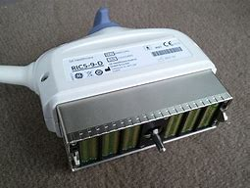 |  |  | 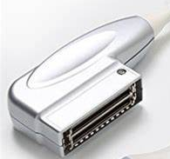
Probe name | Part number | Quantity | Probe name | Part number | Quantity | Probe name | Part number | Quantity
4C | 5145045 |  | 3S | 2355686 |  | 4C | 5145045
6S | 2355686 |  | 3Sc | 47237516 |  | 5S
9L | 5193332 |  | 4C | 5125386 |  | E8C | 2297883
3Sp |  |  | 5S |  |  | M3S
C1-5 | 5261135 |  | 7S | 2347469 |  | M4S | 5129041
C1-6 | 5145045 |  | 8C | 2297883 |  | Other probes
M5S |  |  | 8L
M5Sc |  |  | 9L | 5141337
M6C | 5181441 |  | 12L | 5141337
RIC5-9 | H48651MS |  | RIC5-9A | H48701EJ
10C | 5476030 |  | RAB6 | H48691LP
11L | 5176269 |  | RAB4-8 | H45021L
12S |  |  | Other probes
Other probes

